Short ans
Segment | Country | Profit
Channel Partners | Canada | -14202
Channel Partners | Canada | 17043
Channel Partners | Canada | 55010
Channel Partners | Canada | 60394
Channel Partners | Canada | 166490
Channel Partners | Canada | 196137
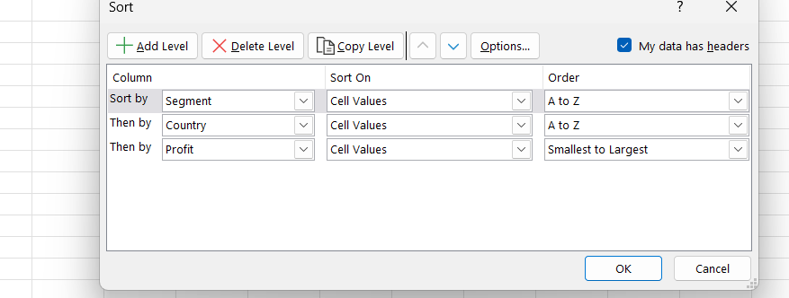
Channel Partners | Canada | 219249
Channel Partners | Canada | 232472
Channel Partners | France | 39271
Channel Partners | France | 60921
Channel Partners | France | 87532
Channel Partners | France | 89649
Channel Partners | France | 112636
Channel Partners | France | 195638
Channel Partners | France | 211082
Channel Partners | France | 223042
Channel Partners | France | 258051
Channel Partners | France | 258583
Channel Partners | Germany | 55433
Channel Partners | Germany | 61230
Channel Partners | Germany | 74022
Channel Partners | Germany | 87460
Channel Partners | Germany | 114470
Channel Partners | Germany | 223894
Channel Partners | Germany | 247904
Channel Partners | Germany | 256329
Channel Partners | Mexico | 18670
Channel Partners | Mexico | 155535
Channel Partners | Mexico | 208038
Channel Partners | Mexico | 219148
Channel Partners | Mexico | 232025
Channel Partners | Mexico | 242254
Channel Partners | United States of America | 6345
Channel Partners | United States of America | 30219
Channel Partners | United States of America | 41318
Channel Partners | United States of America | 59920
Channel Partners | United States of America | 74093
Channel Partners | United States of America | 124717
Channel Partners | United States of America | 142874
Channel Partners | United States of America | 152936
Channel Partners | United States of America | 189847
Channel Partners | United States of America | 192728
Channel Partners | United States of America | 201120
Channel Partners | United States of America | 252080
Enterprise | Canada | 23560
Enterprise | Canada | 34080
Enterprise | Canada | 40778
Enterprise | Canada | 99343
Enterprise | Canada | 104422
Enterprise | Canada | 161110
Enterprise | France | 12709
Enterprise | France | 26819
Enterprise | France | 42319
Enterprise | France | 57755
Enterprise | France | 71529
Enterprise | France | 109849
Enterprise | France | 164464
Enterprise | France | 180969
Enterprise | France | 210352
Enterprise | France | 236531
Enterprise | Germany | 7269
Enterprise | Germany | 19002
Enterprise | Germany | 23010
Enterprise | Germany | 36547
Enterprise | Germany | 124153
Enterprise | Germany | 126174
Enterprise | Germany | 220591
Enterprise | Mexico | 1696
Enterprise | Mexico | 13845
Enterprise | Mexico | 27849
Enterprise | Mexico | 75634
Enterprise | Mexico | 86220
Enterprise | Mexico | 91931
Enterprise | Mexico | 157993
Enterprise | Mexico | 173199
Enterprise | United States of America | 28110
Enterprise | United States of America | 75969
Enterprise | United States of America | 198140
Government | Canada | 7819
Government | Canada | 8406
Government | Canada | 17150
Government | Canada | 24838
Government | Canada | 27137
Government | Canada | 32352
Government | Canada | 36125
Government | Canada | 51626
Government | Canada | 55991
Government | Canada | 59423
Government | Canada | 63494
Government | Canada | 64755
Government | Canada | 86186
Government | Canada | 105602
Government | Canada | 134977
Government | Canada | 135311
Government | Canada | 137705
Government | Canada | 155266
Government | Canada | 159745
Government | Canada | 166824
Government | Canada | 180474
Government | Canada | 213069
Government | Canada | 217962
Government | Canada | 222162
Government | Canada | 240648
Government | Canada | 244904
Government | France | 7110
Government | France | 7190
Government | France | 7382
Government | France | 9682
Government | France | 23250
Government | France | 25467
Government | France | 28289
Government | France | 35096
Government | France | 44394
Government | France | 48442
Government | France | 86142
Government | France | 89802
Government | France | 96209
Government | France | 115261
Government | France | 134107
Government | France | 135801
Government | France | 137843
Government | France | 142596
Government | France | 146394
Government | France | 151301
Government | France | 165656
Government | France | 165992
Government | France | 173616
Government | France | 201069
Government | France | 210276
Government | France | 234786
Government | Germany | -21877
Government | Germany | 6105
Government | Germany | 8950
Government | Germany | 16452
Government | Germany | 24879
Government | Germany | 56810
Government | Germany | 72086
Government | Germany | 74813
Government | Germany | 81048
Government | Germany | 86843
Government | Germany | 95623
Government | Germany | 104379
Government | Germany | 151084
Government | Germany | 155904
Government | Germany | 158679
Government | Germany | 161532
Government | Germany | 168122
Government | Germany | 169991
Government | Germany | 200584
Government | Germany | 210209
Government | Germany | 247286
Government | Mexico | -37886
Government | Mexico | 5652
Government | Mexico | 8463
Government | Mexico | 9630
Government | Mexico | 19225
Government | Mexico | 22003
Government | Mexico | 22810
Government | Mexico | 34334
Government | Mexico | 39668
Government | Mexico | 65162
Government | Mexico | 73163
Government | Mexico | 82968
Government | Mexico | 86460
Government | Mexico | 108879
Government | Mexico | 131983
Government | Mexico | 138473
Government | Mexico | 150851
Government | Mexico | 169915
Government | Mexico | 190517
Government | Mexico | 191733
Government | Mexico | 194150
Government | Mexico | 203878
Government | Mexico | 209590
Government | Mexico | 217075
Government | Mexico | 220171
Government | Mexico | 230726
Government | Mexico | 235104
Government | Mexico | 259896
Government | United States of America | -34980
Government | United States of America | -15140
Government | United States of America | -7921
Government | United States of America | 5850
Government | United States of America | 6256
Government | United States of America | 10877
Government | United States of America | 13179
Government | United States of America | 25860
Government | United States of America | 26172
Government | United States of America | 27327
Government | United States of America | 52513
Government | United States of America | 67090
Government | United States of America | 74221
Government | United States of America | 81846
Government | United States of America | 84660
Government | United States of America | 103592
Government | United States of America | 123287
Government | United States of America | 129328
Government | United States of America | 139432
Government | United States of America | 154630
Government | United States of America | 156072
Government | United States of America | 161165
Government | United States of America | 173392
Government | United States of America | 175220
Government | United States of America | 191293
Government | United States of America | 193691
Government | United States of America | 207031
Government | United States of America | 214102
Government | United States of America | 223295
Government | United States of America | 229218
Government | United States of America | 242971
Government | United States of America | 244284
Government | United States of America | 249705
Government | United States of America | 261354
Midmarket | Canada | 8721
Midmarket | Canada | 12909
Midmarket | Canada | 22305
Midmarket | Canada | 36046
Midmarket | Canada | 40179
Midmarket | Canada | 47888
Midmarket | Canada | 173334
Midmarket | Canada | 187979
Midmarket | Canada | 225220
Midmarket | Canada | 229197
Midmarket | Canada | 252387
Midmarket | France | 259
Midmarket | France | 11682
Midmarket | France | 25301
Midmarket | France | 51383
Midmarket | France | 57399
Midmarket | France | 86076
Midmarket | France | 95791
Midmarket | France | 100956
Midmarket | France | 117440
Midmarket | France | 128249
Midmarket | France | 139728
Midmarket | France | 147727
Midmarket | France | 159478
Midmarket | France | 176652
Midmarket | France | 231047
Midmarket | France | 254580
Midmarket | Germany | 6460
Midmarket | Germany | 20238
Midmarket | Germany | 22746
Midmarket | Germany | 29435
Midmarket | Germany | 53266
Midmarket | Germany | 133951
Midmarket | Germany | 135272
Midmarket | Germany | 145328
Midmarket | Germany | 188860
Midmarket | Germany | 193122
Midmarket | Germany | 208053
Midmarket | Mexico | 5187
Midmarket | Mexico | 12894
Midmarket | Mexico | 15238
Midmarket | Mexico | 22839
Midmarket | Mexico | 33850
Midmarket | Mexico | 78549
Midmarket | Mexico | 130275
Midmarket | Mexico | 155980
Midmarket | Mexico | 201340
Midmarket | Mexico | 213879
Midmarket | Mexico | 216555
Midmarket | United States of America | -39689
Midmarket | United States of America | 1661
Midmarket | United States of America | 54633
Midmarket | United States of America | 85536
Midmarket | United States of America | 93656
Midmarket | United States of America | 98246
Midmarket | United States of America | 163127
Midmarket | United States of America | 216695
Small Business | Canada | -11610
Small Business | Canada | 48808
Small Business | Canada | 100486
Small Business | Canada | 111998
Small Business | Canada | 216458
Small Business | Canada | 256402
Small Business | France | 1519
Small Business | France | 13328
Small Business | France | 73394
Small Business | France | 82089
Small Business | France | 185869
Small Business | Germany | 1365
Small Business | Germany | 6845
Small Business | Germany | 17711
Small Business | Germany | 39973
Small Business | Germany | 102572
Small Business | Germany | 121986
Small Business | Germany | 132363
Small Business | Germany | 160752
Small Business | Mexico | 7298
Small Business | Mexico | 11238
Small Business | Mexico | 27542
Small Business | Mexico | 33876
Small Business | Mexico | 39494
Small Business | Mexico | 96983
Small Business | Mexico | 130437
Small Business | Mexico | 149617
Small Business | Mexico | 166353
Small Business | Mexico | 219774
Small Business | Mexico | 226327
Small Business | Mexico | 239368
Small Business | Mexico | 244677
Small Business | United States of America | 8675
Small Business | United States of America | 12156
Small Business | United States of America | 60882
Small Business | United States of America | 110965
Small Business | United States of America | 125616
Small Business | United States of America | 152076
Small Business | United States of America | 174302
Small Business | United States of America | 175018
Small Business | United States of America | 221658
Small Business | United States of America | 245470
Small Business | United States of America | 248756

Filter ans
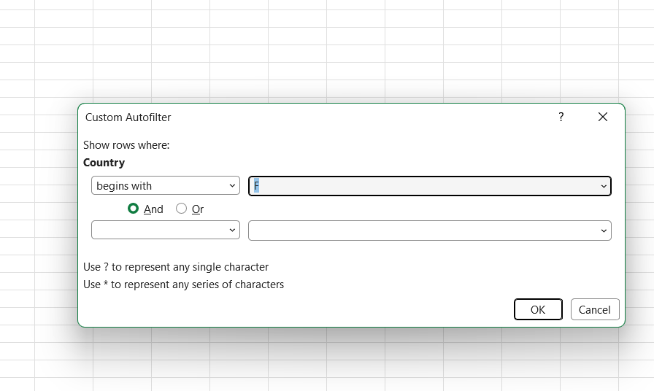
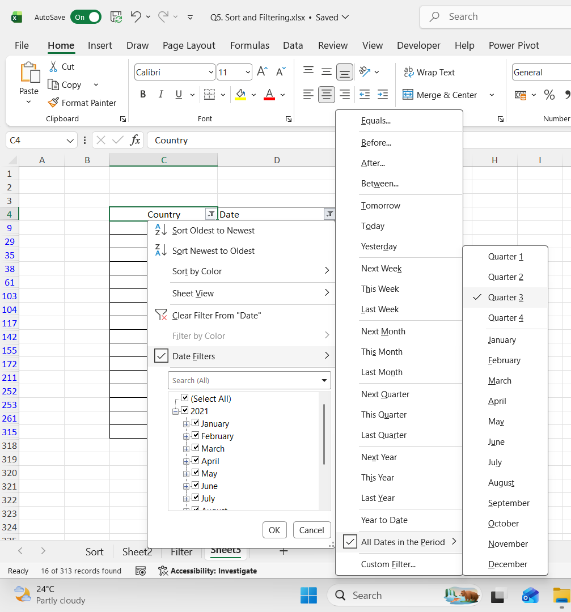
Country | Date
France | 2021-09-01
France | 2021-09-01
France | 2021-08-01
France | 2021-07-01
France | 2021-07-01
France | 2021-09-01
France | 2021-08-01
France | 2021-07-01
France | 2021-07-01
France | 2021-07-01
France | 2021-07-01
France | 2021-09-01
France | 2021-07-01
France | 2021-08-01
France | 2021-08-01
France | 2021-07-01

Charts1
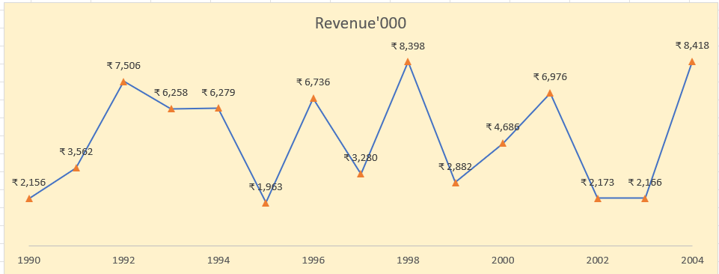
Create Line Chart with Proper formatting
Should be formatted as shown in picture
Note - Do not use Pivot Table or Pivot charts

Date | Revenue'000
1990 | ₹ 2,156
1991 | ₹ 3,562
1992 | ₹ 7,506
1993 | ₹ 6,258
1994 | ₹ 6,279
1995 | ₹ 1,963
1996 | ₹ 6,736
1997 | ₹ 3,280
1998 | ₹ 8,398
1999 | ₹ 2,882
2000 | ₹ 4,686
2001 | ₹ 6,976
2002 | ₹ 2,173
2003 | ₹ 2,166
2004 | ₹ 8,418

Charts2
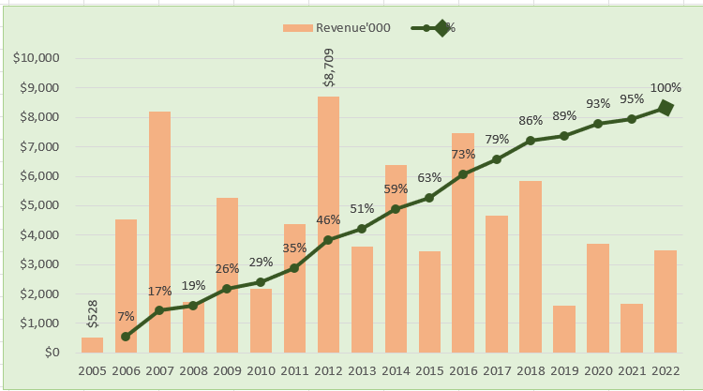
Create Combo Chart with Proper formatting
Should be formatted as shown in picture
Note - Do not use Pivot Table or Pivot charts

Date | Revenue'000 | Running Total | %
2005 | $528
2006 | $4,550 | 5,078.00 | 7%
2007 | $8,189 | 13,267.00 | 17%
2008 | $1,730 | 14,997.00 | 19%
2009 | $5,262 | 20,259.00 | 26%
2010 | $2,172 | 22,431.00 | 29%
2011 | $4,384 | 26,815.00 | 35%
2012 | $8,709 | 35,524.00 | 46%
 | Revenue'000 | %
2005 | $528
2006 | $4,550 | 7%
2007 | $8,189 | 17%
2008 | $1,730 | 19%
2009 | $5,262 | 26%
2010 | $2,172 | 29%
2011 | $4,384 | 35%
2012 | $8,709 | 46%
2013 | $3,618 | 51%
2014 | $6,372 | 59%
2015 | $3,456 | 63%
2016 | $7,478 | 73%
2017 | $4,649 | 79%
2018 | $5,831 | 86%
2019 | $1,599 | 89%
2020 | $3,695 | 93%
2021 | $1,678 | 95%
2022 | $3,490 | 100%
2013 | $3,618 | 39,142.00 | 51%
2014 | $6,372 | 45,514.00 | 59%
2015 | $3,456 | 48,970.00 | 63%
2016 | $7,478 | 56,448.00 | 73%
2017 | $4,649 | 61,097.00 | 79%
2018 | $5,831 | 66,928.00 | 86%
2019 | $1,599 | 68,527.00 | 89%
2020 | $3,695 | 72,222.00 | 93%
2021 | $1,678 | 73,900.00 | 95%
2022 | $3,490 | 77,390.00 | 100%
Total | $77,390

